Safety Risk Profiles
Tabulation | Narratives
 | Haz_01 Loss of vehicle control by driver | Haz_02 Rubber-necking | Haz_03 Conflicting Movements | Haz_04 Parking and Manoeuvring | Haz_05 Driving in a direction contrary to normal traffic flow | Haz_06 Speed differential or Speed change | Haz_07 Environmental conditions | Haz_08 Emergency Services | Haz_09 Authorised Persons in/on roadway | Haz_10 Vehicle deviates from lane/track | Haz_11 Vehicle obstructing roadway | Haz_12 Motorcyclists
Baseline Safety Risk Profile | 0 | 0 | 0 | 0 | 0 | 0 | 0 | 0 | 0 | 0 | 0 | 0
Project Safety Risk Profile | 0 | 0 | 0 | 0 | 0 | 0 | 0 | 0 | 0 | 0 | 0 | 0

Reduction in Safety Risk brought about by Project |  | 0.00%

 | Haz_12 Motorcyclists | Haz_16 Maintenance | Haz_18 Pedestrians / Cyclists
Baseline Safety Risk Profile | 0 | 0 | 0
Project Safety Risk Profile | 0 | 0 | 0
 | Haz_16 Maintenance
Baseline Safety Risk Profile | 0
Project Safety Risk Profile | 0
Haz_18 Pedestrians / Cyclists
 | Haz_18 Pedestrians / Cyclists
Baseline Safety Risk Profile | 0
Project Safety Risk Profile | 0

 | Haz_03 Conflicting Movements | Haz_04 Parking and Manoeuvring | Haz_05 Driving in a direction contrary to normal traffic flow | Haz_06 Speed differential or Speed change | Haz_11 Vehicle obstructing roadway | Haz_13 Sub optimal lane use or lane change | Haz_15 Infrastructure | Haz_16 Maintenance | Haz_17 Debris/Animal | Haz_18 Pedestrians / Cyclists | Haz 01 & Haz_14 Loss of Control/Drift off Carriageway
Comparison Profile | 0% | 0% | 0% | 0% | 0% | 0% | 0% | 0% | 0% | 0% | 0%
Crash Risk Profile | 0% | 0% | 0% | 0% | 0% | 0% | 0% | 0% | 0% | 0% | 0%

RUM converter
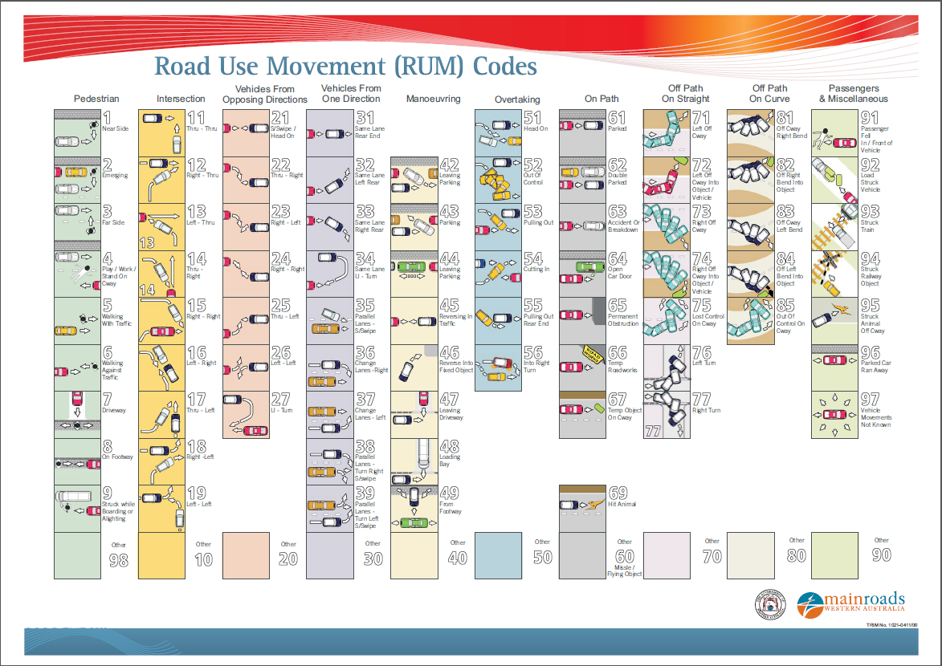
RUM for Colliding Vehicle | Hazard Group
01 - Pedest: Near Side | Haz_18 Pedestrians / Cyclists
02 - Pedest: Emerging From Near Side | Haz_18 Pedestrians / Cyclists
03 - Pedest: Far Side | Haz_18 Pedestrians / Cyclists
04 - Pedest: Play / Work / Stand On Cway | Haz_18 Pedestrians / Cyclists
05 - Pedest: Walking with traffic | Haz_18 Pedestrians / Cyclists
06 - Pedest: Walking Against Traffic | Haz_18 Pedestrians / Cyclists
07 - Pedest: In Driveway | Haz_18 Pedestrians / Cyclists
08 - Pedest: On footway | Haz_18 Pedestrians / Cyclists
09 - Pedest: Struck Boarding / Alighting | Haz_18 Pedestrians / Cyclists
10 - Intx: Other | Haz_03 Conflicting Movements
11 - Intx: Thru - Thru | Haz_03 Conflicting Movements
12 - Intx: Right - Thru | Haz_03 Conflicting Movements
13 - Intx: Left - Thru | Haz_03 Conflicting Movements
14 - Intx: Thru - Right | Haz_03 Conflicting Movements
15 - Intx: Right - Right | Haz_03 Conflicting Movements
16 - Intx: Left - Right | Haz_03 Conflicting Movements
17 - Intx: Thru - Left | Haz_03 Conflicting Movements
18 - Intx: Right - Left | Haz_03 Conflicting Movements
19 - Intx: Left - Left | Haz_03 Conflicting Movements
20 - Opposite Dirn: Other | Haz_05 Driving in a direction contary to normal traffic flow
21 - Opposite Dirn: Head On | Haz_05 Driving in a direction contary to normal traffic flow
22 - Opposite Dirn: Thru - Right | Haz_03 Conflicting Movements
23 - Opposite Dirn: Right - Left | Haz_03 Conflicting Movements
24 - Opposite Dirn: Right - Right | Haz_03 Conflicting Movements
25 - Opposite Dirn: Thru - Left | Haz_03 Conflicting Movements
26 - Opposite Dirn: Left - Left | Haz_03 Conflicting Movements
27 - Opposite Dirn: U - Turn | Haz_03 Conflicting Movements
28 - Opposite Dirn: Not used | Not used
29 - Opposite Dirn: Not used | Not used
30 - Same Dirn: Other | Haz_06 Speed differential or Speed change
31 - Same Dirn: Same Lane Rear End | Haz_06 Speed differential or Speed change
32 - Same Dirn: Same Lane Left Rear | Haz_06 Speed differential or Speed change
33 - Same Dirn: Same Lane Right Rear | Haz_06 Speed differential or Speed change
34 - Same Dirn: Same Lane U - Turn | Haz_05 Driving in a direction contary to normal traffic flow
35 - Same Dirn: Parallel Lanes - S/swipe | Haz_13 Sub optimal lane use or lane change
36 - Same Dirn: Change Lanes - Right | Haz_13 Sub optimal lane use or lane change
37 - Same Dirn: Change Lanes - Left | Haz_13 Sub optimal lane use or lane change
38 - Same Dirn: Parallel Lanes - Turn Right S/swipe | Haz_13 Sub optimal lane use or lane change
39 - Same Dirn: Parallel Lanes - Turn Left S/swipe | Haz_13 Sub optimal lane use or lane change
40 - Manoeuv: Other | Haz_04 Parking and Manoeuvring
41 - Manoeuv: Not used | Not used
42 - Manoeuv: Leaving Parking | Haz_04 Parking and Manoeuvring
43 - Manoeuv: Parking | Haz_04 Parking and Manoeuvring
44 - Manoeuv: Parking Veh Only | Haz_04 Parking and Manoeuvring
45 - Manoeuv: Reversing In Traffic | Haz_05 Driving in a direction contary to normal traffic flow
46 - Manoeuv: Reverse Into Fixed Obj | Haz_04 Parking and Manoeuvring
47 - Manoeuv: Leaving Driveway | Haz_04 Parking and Manoeuvring
48 - Manoeuv: Loading Bay | Haz_04 Parking and Manoeuvring
49 - Manoeuv: From Footway | Haz_04 Parking and Manoeuvring
50 - Overtaking: Other | Haz_13 Sub optimal lane use or lane change
51 - Overtaking: Head On | Haz_05 Driving in a direction contary to normal traffic flow
52 - Overtaking: Out Of Control: | Haz 01 & Haz_14 Loss of Control/Drift off Carriageway
53 - Overtaking: Pulling Out | Haz_13 Sub optimal lane use or lane change
54 - Overtaking: Cutting In | Haz_13 Sub optimal lane use or lane change
55 - Overtaking: Pull Out - Rear End | Haz_13 Sub optimal lane use or lane change
56 - Overtaking: Into Right Turn | Haz_03 Conflicting Movements
57 - Overtaking: Not Used | Not used
58 - Overtaking: Not Used | Not used
59 - Overtaking: Not Used | Not used
60 - On Path: Other | Haz_11 Vehicle obstructing roadway
61 - On Path: Parked | Haz_11 Vehicle obstructing roadway
62 - On Path: Double Parked | Haz_11 Vehicle obstructing roadway
63 - On Path: Accident Or Breakdown | Haz_11 Vehicle obstructing roadway
64 - On Path: Open Car Door | Haz_11 Vehicle obstructing roadway
65 - On Path: Permanent Obstruction | Haz_15 Infrastructure
66 - On Path: Temp Roadworks | Haz_16 Maintenance
67 - On Path: Temp Obj On Cway | Haz_17 Debris/Animal
68 - On Path: Not used | Not used
69 - On Path: Hit Animal | Haz_17 Debris/Animal
70 - Off Path On Straight: Other | Haz 01 & Haz_14 Loss of Control/Drift off Carriageway
71 - Off Path On Straight: Off Left Cway | Haz 01 & Haz_14 Loss of Control/Drift off Carriageway
72 - Off Path On Straight: Off Left Cway Obj | Haz 01 & Haz_14 Loss of Control/Drift off Carriageway
73 - Off Path On Straight: Off Rigth Cway | Haz 01 & Haz_14 Loss of Control/Drift off Carriageway
74 - Off Path On Straight: Off Right Cway Obj | Haz 01 & Haz_14 Loss of Control/Drift off Carriageway
75 - Off Path On Straight: Lost Control On Cway | Haz 01 & Haz_14 Loss of Control/Drift off Carriageway
76 - Loss Of Control: Left Turn - Intx | Haz 01 & Haz_14 Loss of Control/Drift off Carriageway
77 - Loss of Control: Right Turn - Intx | Haz 01 & Haz_14 Loss of Control/Drift off Carriageway
78 - Loss of Control: Not used | Not used
79 - Loss of Control: Not used | Not used
80 - Off Path On Curve: Other | Haz 01 & Haz_14 Loss of Control/Drift off Carriageway
81 - Off Path On Curve: Off Cway Right Bend | Haz 01 & Haz_14 Loss of Control/Drift off Carriageway
82 - Off Path On Curve: Off Right Bend In Obj | Haz 01 & Haz_14 Loss of Control/Drift off Carriageway
83 - Off Path On Curve: Off Cway Left Bend | Haz 01 & Haz_14 Loss of Control/Drift off Carriageway
84 - Off Path On Curve: Off Left Bend In Obj | Haz 01 & Haz_14 Loss of Control/Drift off Carriageway
85 - Off Path On Curve: Lost Control On Cway | Haz 01 & Haz_14 Loss of Control/Drift off Carriageway
90 - Misc: Passenger Other | Haz_18 Pedestrians / Cyclists
91 - Misc: Passenger Fell In / From Veh | Haz_18 Pedestrians / Cyclists
92 - Misc: Load Struck Veh | Haz_17 Debris/Animal
93 - Misc: Struck Train | Haz_03 Conflicting Movements
94 - Misc: Struck Railway Crossing | Haz_15 Infrastructure
95 - Misc: Animal Off Carriageway | Haz 01 & Haz_14 Loss of Control/Drift off Carriageway
96 - Misc: Parked Car Ran Away | Haz_04 Parking and Manoeuvring
97 - Misc: Move Unknown | Haz_04 Parking and Manoeuvring
98 - Pedest: Other | Haz_18 Pedestrians / Cyclists

