Calculator
TRAILER CLEARANCE CALCULATOR
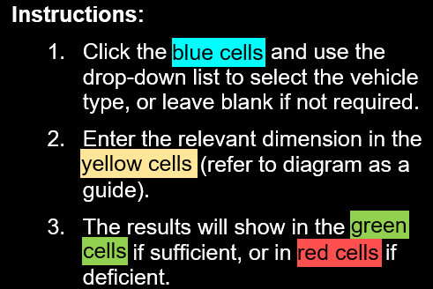

 | Vehicle Unit |  | Vehicle Unit | Vehicle Unit | Vehicle Unit | Vehicle Unit | Vehicle Unit
 | 1 |  | 2 | 3 | 4 | 5 | 6

 | Prime mover |  | Semi-trailer

FWH: Fifth-wheel height | 0
CFW: Rear of prime mover cabin or rear of lead trailer body to fifth-wheel | 0
DB: Drawbar length (tow eye to centre of dolly axle group)
CU: Coupling underrun (forward of rear of body) - Rigid Truck and Semi-trailer only |  |  | 0
FOH: Forward overhang (kingpin to front of body) |  |  | 0
H1/H2: Body height above ground | 0 |  | 0
Body Width | 0 |  | 0

Required Clearance |  | 0
Available Clearance |  | 0
RESULT |  | 0 mm too short

